DELTAS
 |  |  |  |  | Deltas

2020 | 2019 | 2018 | 2017 |  | 2020 | 2019 | 2018 | 2017 |  | 2020-2019 | 2020-2018 | 2020-2017
23105 | 21628 | 23034 | 22669 | 1 | 23105 | 21628 | 23034 | 22669 | 1 | 1477 | 71 | 436
23867 | 22350 | 23700 | 23384 | 2 | 23867 | 22350 | 23700 | 23384 | 2 | 1517 | 167 | 483
24594 | 23080 | 24555 | 24079 | 3 | 24594 | 23080 | 24555 | 24079 | 3 | 1514 | 39 | 515
25314 | 23865 | 25308 | 24891 | 4 | 25314 | 23865 | 25308 | 24891 | 4 | 1449 | 6 | 423
26055 | 24655 | 26098 | 25698 | 5 | 26055 | 24655 | 26098 | 25698 | 5 | 1400 | -43 | 357
26788 | 25357 | 26833 | 26488 | 6 | 26788 | 25357 | 26833 | 26488 | 6 | 1431 | -45 | 300
27600 | 26058 | 27544 | 27175 | 7 | 27600 | 26058 | 27544 | 27175 | 7 | 1542 | 56 | 425
28355 | 26880 | 28227 | 27906 | 8 | 28355 | 26880 | 28227 | 27906 | 8 | 1475 | 128 | 449
29095 | 27489 | 29060 | 28719 | 9 | 29095 | 27489 | 29060 | 28719 | 9 | 1606 | 35 | 376
29794 | 28294 | 29761 | 29396 | 10 | 29794 | 28294 | 29761 | 29396 | 10 | 1500 | 33 | 398
30438 | 28931 | 30356 | 30082 | 11 | 30438 | 28931 | 30356 | 30082 | 11 | 1507 | 82 | 356
31278 | 29524 | 31120 | 30724 | 12 | 31278 | 29524 | 31120 | 30724 | 12 | 1754 | 158 | 554
32012 | 30216 | 31719 | 31447 | 13 | 32012 | 30216 | 31719 | 31447 | 13 | 1796 | 293 | 565
32764 | 30678 | 32542 | 32135 | 14 | 32764 | 30678 | 32542 | 32135 | 14 | 2086 | 222 | 629
33358 | 31409 | 33194 | 32724 | 15 | 33358 | 31409 | 33194 | 32724 | 15 | 1949 | 164 | 634
33989 | 32374 | 33758 | 33340 | 16 | 33989 | 32374 | 33758 | 33340 | 16 | 1615 | 231 | 649
34592 | 33084 | 34595 | 33890 | 17 | 34592 | 33084 | 34595 | 33890 | 17 | 1508 | -3 | 702
35293 | 33914 | 35578 | 34739 | 18 | 35293 | 33914 | 35578 | 34739 | 18 | 1379 | -285 | 554
36324 | 34697 | 36300 | 35597 | 19 | 36324 | 34697 | 36300 | 35597 | 19 | 1627 | 24 | 727
37223 | 35509 | 37207 | 36506 | 20 | 37223 | 35509 | 37207 | 36506 | 20 | 1714 | 16 | 717
38174 | 36227 | 37969 | 37305 | 21 | 38174 | 36227 | 37969 | 37305 | 21 | 1947 | 205 | 869
38937 | 37181 | 38700 | 38126 | 22 | 38937 | 37181 | 38700 | 38126 | 22 | 1756 | 237 | 811
39918 | 38028 | 39552 | 38975 | 23 | 39918 | 38028 | 39552 | 38975 | 23 | 1890 | 366 | 943
40824 | 38821 | 40378 | 39814 | 24 | 40824 | 38821 | 40378 | 39814 | 24 | 2003 | 446 | 1010
41624 | 39634 | 41148 | 40696 | 25 | 41624 | 39634 | 41148 | 40696 | 25 | 1990 | 476 | 928
42440 | 40458 | 41961 | 41587 | 26 | 42440 | 40458 | 41961 | 41587 | 26 | 1982 | 479 | 853
43379 | 41292 | 42757 | 42592 | 27 | 43379 | 41292 | 42757 | 42592 | 27 | 2087 | 622 | 787
963 | 973 | 778 | 1093 | 28 | 44342 | 42265 | 43535 | 43685 | 28 | 2077 | 807 | 657
1885 | 1917 | 1752 | 2027 | 29 | 45264 | 43209 | 44509 | 44619 | 29 | 2055 | 755 | 645
3122 | 2810 | 2642 | 3067 | 30 | 46501 | 44102 | 45399 | 45659 | 30 | 2399 | 1102 | 842
4109 | 3800 | 3606 | 4071 | 31 | 47488 | 45092 | 46363 | 46663 | 31 | 2396 | 1125 | 825
4945 | 4820 | 4546 | 5145 | 32 | 48324 | 46112 | 47303 | 47737 | 32 | 2212 | 1021 | 587
5850 | 5794 | 5485 | 6084 | 33 | 49229 | 47086 | 48242 | 48676 | 33 | 2143 | 987 | 553
6813 | 6739 | 6550 | 6938 | 34 | 50192 | 48031 | 49307 | 49530 | 34 | 2161 | 885 | 662
7696 | 7686 | 7363 | 7973 | 35 | 51075 | 48978 | 50120 | 50565 | 35 | 2097 | 955 | 510
8788 | 8649 | 8262 | 8931 | 36 | 52167 | 49941 | 51019 | 51523 | 36 | 2226 | 1148 | 644
9808 | 9586 | 9230 | 9922 | 37 | 53187 | 50878 | 51987 | 52514 | 37 | 2309 | 1200 | 673
10751 | 10499 | 9987 | 10914 | 38 | 54130 | 51791 | 52744 | 53506 | 38 | 2339 | 1386 | 624
11493 | 11427 | 10896 | 11797 | 39 | 54872 | 52719 | 53653 | 54389 | 39 | 2153 | 1219 | 483
12213 | 12236 | 11649 | 12720 | 40 | 55592 | 53528 | 54406 | 55312 | 40 | 2064 | 1186 | 280
12912 | 13042 | 12172 | 13483 | 41 | 56291 | 54334 | 54929 | 56075 | 41 | 1957 | 1362 | 216
13474 | 14059 | 13088 | 14126 | 42 | 56853 | 55351 | 55845 | 56718 | 42 | 1502 | 1008 | 135
14233 | 14869 | 13922 | 14848 | 43 | 57612 | 56161 | 56679 | 57440 | 43 | 1451 | 933 | 172
14926 | 15550 | 14622 | 15663 | 44 | 58305 | 56842 | 57379 | 58255 | 44 | 1463 | 926 | 50
15748 | 16518 | 15430 | 16618 | 45 | 59127 | 57810 | 58187 | 59210 | 45 | 1317 | 940 | -83
16949 | 17357 | 16232 | 17565 | 46 | 60328 | 58649 | 58989 | 60157 | 46 | 1679 | 1339 | 171
17917 | 18226 | 17111 | 18391 | 47 | 61296 | 59518 | 59868 | 60983 | 47 | 1778 | 1428 | 313
18734 | 19065 | 17776 | 19183 | 48 | 62113 | 60357 | 60533 | 61775 | 48 | 1756 | 1580 | 338
19668 | 19890 | 18610 | 19771 | 49 | 63047 | 61182 | 61367 | 62363 | 49 | 1865 | 1680 | 684
20435 | 20711 | 19489 | 20624 | 50 | 63814 | 62003 | 62246 | 63216 | 50 | 1811 | 1568 | 598
21416 | 21493 | 20303 | 21486 | 51 | 64795 | 62785 | 63060 | 64078 | 51 | 2010 | 1735 | 717
22227 | 22314 | 21009 | 22313 | 52 | 65606 | 63606 | 63766 | 64905 | 52 | 2000 | 1840 | 701

5e8c7f09542b299b1
Week | 2009 total | 2010 total | 2011 total | 2012 total | 2013 total | 2014 total | 2015 total | 2016 total | 2017 total | 2018 total | 2019 total | 2020 total | 2009 pneumonia | 2010 pneumonia | 2011 pneumonia | 2012 pneumonia | 2013 pneumonia | 2014 pneumonia | 2015 pneumonia | 2016 pneumonia | 2017 pneumonia | 2018 pneumonia | 2019 pneumonia | 2020 pneumonia
1 |  | 769 | 1035 | 846 | 845 | 914 | 879 | 986 | 1093 | 778 | 973 | 963 |  | 97 | 167 | 95 | 89 | 81 | 100 | 105 | 130 | 77 | 114 | 100
2 |  | 899 | 914 | 792 | 826 | 949 | 899 | 954 | 934 | 974 | 944 | 922 |  | 113 | 132 | 89 | 74 | 108 | 102 | 115 | 121 | 135 | 106 | 99
3 |  | 686 | 919 | 896 | 925 | 799 | 1011 | 942 | 1040 | 890 | 893 | 1237 |  | 77 | 134 | 100 | 97 | 113 | 141 | 110 | 164 | 109 | 122 | 151
4 |  | 1020 | 879 | 759 | 845 |  | 875 | 869 | 1004 | 964 | 990 | 987 |  | 119 | 122 | 94 | 89 |  | 102 | 106 | 150 | 151 | 119 | 130
5 |  | 800 | 915 | 951 | 878 | 744 | 875 | 1100 | 1074 | 940 | 1020 | 836 |  | 108 | 123 | 122 | 88 | 95 | 102 | 162 | 146 | 138 | 128 | 134
6 |  | 820 | 859 | 833 | 1063 | 850 | 994 | 978 | 939 | 939 | 974 | 905 |  | 75 | 112 | 112 | 144 | 101 | 146 | 124 | 145 | 113 | 141 | 125
7 |  | 948 | 946 | 933 | 1033 | 941 | 1114 | 1103 | 854 | 1065 | 945 | 963 |  | 123 | 123 | 110 | 122 | 92 | 186 | 143 | 126 | 151 | 138 | 100
8 |  | 938 | 919 | 849 | 806 | 972 | 949 | 939 | 1035 | 813 | 947 | 883 |  | 105 | 123 | 133 | 96 | 107 | 143 | 118 | 150 | 107 | 112 | 96
9 |  | 663 | 883 | 1091 | 902 | 897 | 884 | 1025 | 958 | 899 | 963 | 1092 |  | 101 | 116 | 129 | 106 | 121 | 111 | 146 | 124 | 124 | 152 | 136
10 |  | 812 | 766 | 963 | 1069 | 853 | 1077 | 786 | 991 | 968 | 937 | 1020 |  | 82 | 103 | 124 | 155 | 86 | 168 | 82 | 165 | 119 | 109 | 103
11 |  | 852 | 766 | 788 | 965 | 853 | 953 | 871 | 992 | 757 | 913 | 943 |  | 115 | 103 | 92 | 126 | 102 | 131 | 114 | 115 | 94 | 144 | 103
12 |  | 690 | 867 | 927 | 920 | 1081 | 837 | 1026 | 883 | 909 | 928 | 742 |  | 63 | 116 | 108 | 150 | 136 | 76 | 123 | 104 | 131 | 114 | 80
13 |  | 556 | 790 | 1004 | 778 | 799 | 797 | 860 | 923 | 753 | 809 | 720 |  | 69 | 109 | 144 | 75 | 101 | 101 | 110 | 135 | 78 | 104 | 51
14 |  | 859 | 794 | 855 | 735 | 1032 |  | 813 | 763 | 523 | 806 | 699 |  | 92 | 120 | 116 | 80 | 100 |  | 92 | 104 | 75 | 114
15 |  | 744 | 794 | 644 | 735 |  | 966 | 737 | 643 | 916 | 1017 | 562 |  | 72 | 117 | 89 | 91 |  | 132 | 77 | 87 | 147 | 120
16 |  | 833 | 591 | 876 | 871 | 519 | 1062 | 732 | 722 | 834 | 810 | 759 |  | 92 | 62 | 122 | 103 | 50 | 127 | 69 | 56 | 94 | 81
17 |  | 720 | 749 |  | 849 | 989 | 835 | 734 | 815 | 700 | 681 | 693 |  | 84 | 109 |  | 89 | 103 | 92 | 120 | 113 | 82 | 83
18 |  | 652 | 848 | 865 | 901 | 703 | 896 | 883 | 955 | 808 | 968 |  |  | 83 | 104 | 98 | 98 | 84 | 99 | 130 | 118 | 93 | 109
19 |  | 732 | 836 | 736 | 747 | 656 | 794 | 802 | 947 | 802 | 839 |  |  | 68 | 98 | 75 | 77 | 84 | 89 | 107 | 124 | 84 | 108
20 |  |  | 863 | 835 | 657 | 846 | 925 | 931 | 826 | 879 | 869 |  |  |  | 105 | 111 | 68 | 96 | 81 | 105 | 95 | 98 | 85
21 |  | 742 | 849 | 753 | 726 | 854 | 812 | 726 | 792 | 665 | 839 |  |  | 87 | 79 | 79 | 79 | 96 | 86 | 81 | 89 | 90 | 79
22 |  | 723 | 683 | 627 | 802 | 823 | 875 | 865 | 588 | 834 | 825 |  |  | 92 | 80 | 57 | 89 | 91 | 88 | 89 | 68 | 98 | 95
23 |  | 693 | 723 | 797 | 899 | 729 | 871 | 874 | 853 | 879 | 821 |  |  | 77 | 77 | 74 | 114 | 75 | 117 | 114 | 92 | 96 | 74
24 | 664 | 756 | 744 | 699 | 561 |  | 838 | 660 | 862 | 814 | 782 |  | 67 | 78 | 72 | 84 | 35 |  | 94 | 48 | 76 | 103 | 92
25 | 679 | 666 | 722 | 746 | 680 | 703 | 790 | 795 | 827 | 706 | 821 |  | 88 | 71 | 97 | 63 | 58 | 60 | 86 | 96 | 100 | 68 | 68
26 | 629 | 653 |  | 681 | 750 | 661 | 608 | 678 | 721 | 619 | 791 |  | 71 | 73 |  | 74 | 66 | 49 | 58 | 68 | 70 | 66 | 95
27 | 677 | 697 | 747 | 723 | 751 | 894 | 672 | 715 | 666 | 722 | 762 |  | 85 | 103 | 85 | 87 | 67 | 85 | 66 | 80 | 65 | 86 | 80
28 | 538 | 623 | 672 | 717 | 628 | 689 | 865 | 695 | 855 | 730 | 727 |  | 59 | 62 | 82 | 84 | 49 | 66 | 89 | 58 | 109 | 87 | 82
29 | 627 | 604 | 682 | 746 | 777 | 756 | 937 | 812 | 753 | 785 | 720 |  | 74 | 58 | 85 | 76 | 86 | 67 | 119 | 106 | 66 | 97 | 72
30 | 788 | 621 | 607 | 750 | 687 | 707 | 662 | 807 | 790 | 790 | 741 |  | 92 | 85 | 76 | 65 | 49 | 59 | 65 | 90 | 86 | 79 | 77
31 | 617 | 676 | 829 | 661 | 679 | 771 | 793 | 790 | 735 | 702 | 733 |  | 71 | 84 | 86 | 76 | 76 | 80 | 66 | 87 | 51 | 76 | 65
32 | 673 | 796 | 803 | 734 |  | 618 | 870 | 687 | 711 | 701 | 812 |  | 62 | 97 | 88 | 86 |  | 60 | 104 | 62 | 45 | 74 | 68
33 | 650 | 623 | 642 | 560 | 789 | 732 | 791 | 731 | 683 | 822 | 755 |  | 84 | 72 | 75 | 55 | 59 | 66 | 81 | 86 | 68 | 99 | 85
34 | 726 | 601 | 691 | 733 | 703 | 705 | 757 | 813 | 833 | 609 | 740 |  | 90 | 75 | 79 | 85 | 75 | 52 | 86 | 72 | 91 | 64 | 53
35 | 689 | 704 | 754 | 823 | 756 | 804 | 520 | 677 | 701 | 805 | 699 |  | 86 | 79 | 99 | 110 | 68 | 77 | 67 | 70 | 67 | 101 | 84
36 | 821 | 607 | 739 | 651 | 0 | 671 | 683 | 686 | 595 | 637 | 644 |  | 107 | 73 | 78 | 68 | 0 | 63 | 70 | 66 | 55 | 84 | 74
37 | 624 | 784 | 647 | 812 | 0 | 705 | 638 | 642 | 764 | 593 | 840 |  | 70 | 112 | 63 | 94 | 0 | 72 | 71 | 87 | 84 | 64 | 98
38 | 614 | 601 | 663 | 492 | 740 | 730 | 655 | 723 | 599 | 692 | 734 |  | 69 | 80 | 62 | 30 | 66 | 68 | 74 | 99 | 63 | 80 | 90
39 | 615 | 520 | 573 | 648 |  | 658 | 602 | 688 | 823 | 462 | 752 |  | 67 | 62 | 60 | 59 |  | 82 | 40 | 57 | 91 | 39 | 70
40 | 502 | 868 | 709 | 528 | 811 | 764 | 824 | 589 | 652 | 731 | 594 |  | 48 | 121 | 77 | 55 | 83 | 93 | 73 | 55 | 66 | 87 | 62
41 | 970 | 822 | 654 | 823 | 933 | 623 | 906 | 616 | 564 | 965 | 631 |  | 118 | 113 | 77 | 90 | 72 | 64 | 97 | 58 | 78 | 133 | 79
42 | 799 | 637 |  | 682 | 819 | 647 | 942 | 550 | 837 | 710 | 603 |  | 79 | 67 |  | 62 | 83 | 43 | 101 | 61 | 113 | 96 | 91
43 | 644 | 755 | 917 | 1042 | 693 | 911 | 935 | 849 | 983 | 830 | 701 |  | 71 | 79 | 92 | 133 | 65 | 118 | 95 | 82 | 137 | 103 | 73
44 | 760 | 647 | 776 | 552 | 752 | 888 | 939 | 858 | 722 | 783 | 1031 |  | 96 | 71 | 94 | 35 | 80 | 100 | 121 | 113 | 66 | 89 | 82
45 | 757 | 755 | 781 | 926 | 781 | 800 | 880 | 909 | 907 | 812 | 899 |  | 101 | 96 | 87 | 104 | 85 | 63 | 81 | 101 | 88 | 94 | 115
46 | 648 | 700 | 761 | 760 | 785 | 955 | 855 | 799 | 762 | 718 | 951 |  | 69 | 102 | 72 | 60 | 66 | 101 | 92 | 111 | 89 | 92 | 106
47 |  | 794 | 857 | 723 | 736 | 848 | 825 | 821 | 731 | 954 | 763 |  |  | 90 | 99 | 77 | 76 | 100 | 85 | 68 | 101 | 93 | 79
48 | 665 | 778 | 757 | 784 | 708 | 697 | 794 | 849 | 852 | 847 | 981 |  | 56 | 71 | 88 | 97 | 60 | 67 | 95 | 88 | 87 | 94 | 111
49 | 749 |  | 883 | 783 | 694 | 914 | 865 | 839 | 826 | 793 | 906 |  | 74 |  | 95 | 80 | 73 | 81 | 80 | 107 | 85 | 89 | 92
50 | 755 | 708 | 856 | 868 | 753 | 825 | 809 | 882 | 770 | 813 | 800 |  | 95 | 74 | 110 | 112 | 57 | 89 | 86 | 90 | 109 | 75 | 95
51 | 887 | 875 |  | 790 | 799 | 842 | 895 | 891 | 813 | 824 | 816 |  | 130 | 118 |  | 95 | 75 | 77 | 98 | 97 | 77 | 103 | 94
52 | 698 | 766 | 932 | 838 | 838 | 676 | 997 | 1005 | 796 | 834 | 939 |  | 106 | 86 | 104 | 74 | 77 | 59 | 117 | 112 | 113 | 87 | 97

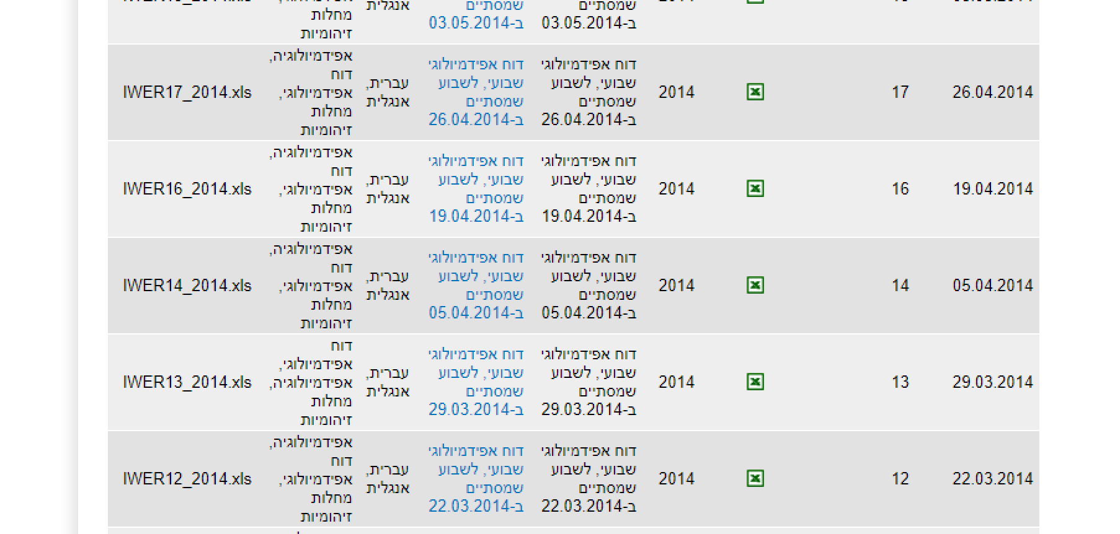

 |  |  | 1 | 2016 total | 2017 total | 2018 total | 2019 total
 |  |  | 2 | 986 | 1093 | 778 | 973
 |  |  | 3 | 954 | 934 | 974 | 944
 |  |  | 4 | 942 | 1040 | 890 | 893
 |  |  | 5 | 869 | 1004 | 964 | 990
 |  |  | 6 | 1100 | 1074 | 940 | 1020
 |  |  | 7 | 978 | 939 | 939 | 974
 |  |  | 8 | 1103 | 854 | 1065 | 945
 |  |  | 9 | 939 | 1035 | 813 | 947
 |  |  | 10 | 1025 | 958 | 899 | 963
 |  |  | 11 | 786 | 991 | 968 | 937
 |  |  | 12 | 871 | 992 | 757 | 913
 |  |  | 13 | 1026 | 883 | 909 | 928
 |  |  | 14 | 860 | 923 | 753 | 809
 |  |  | 15 | 813 | 763 | 523 | 806
 |  |  | 16 | 737 | 643 | 916 | 1017
 |  |  | 17 | 732 | 722 | 834 | 810
 |  |  | 18 | 734 | 815 | 700 | 681
 |  |  | 19 | 883 | 955 | 808 | 968
 |  |  | 20 | 802 | 947 | 802 | 839
 |  |  | 21 | 931 | 826 | 879 | 869
 |  |  | 22 | 726 | 792 | 665 | 839
 |  |  | 23 | 865 | 588 | 834 | 825
 |  |  | 24 | 874 | 853 | 879 | 821
 |  |  | 25 | 660 | 862 | 814 | 782
 |  |  | 26 | 795 | 827 | 706 | 821
 |  |  | 27 | 678 | 721 | 619 | 791
 |  |  | 28 | 715 | 666 | 722 | 762
 |  |  | 29 | 695 | 855 | 730 | 727
 |  |  | 30 | 812 | 753 | 785 | 720
 |  |  | 31 | 807 | 790 | 790 | 741
 |  |  | 32 | 790 | 735 | 702 | 733
 |  |  | 33 | 687 | 711 | 701 | 812
 |  |  | 34 | 731 | 683 | 822 | 755
 |  |  | 35 | 813 | 833 | 609 | 740
 |  |  | 36 | 677 | 701 | 805 | 699
 |  |  | 37 | 686 | 595 | 637 | 644
 |  |  | 38 | 642 | 764 | 593 | 840
 |  |  | 39 | 723 | 599 | 692 | 734
 |  |  | 40 | 688 | 823 | 462 | 752
 |  |  | 41 | 589 | 652 | 731 | 594
 |  |  | 42 | 616 | 564 | 965 | 631
 |  |  | 43 | 550 | 837 | 710 | 603
 |  |  | 44 | 849 | 983 | 830 | 701
 |  |  | 45 | 858 | 722 | 783 | 1031
 |  |  | 46 | 909 | 907 | 812 | 899
 |  |  | 47 | 799 | 762 | 718 | 951
 |  |  | 48 | 821 | 731 | 954 | 763
 |  |  | 49 | 849 | 852 | 847 | 981
 |  |  | 50 | 839 | 826 | 793 | 906
 |  |  | 51 | 882 | 770 | 813 | 800
 |  |  | 52 | 891 | 813 | 824 | 816
 |  |  |  | 1005 | 796 | 834 | 939

Sheet2
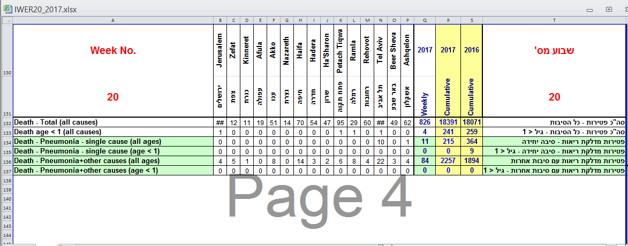
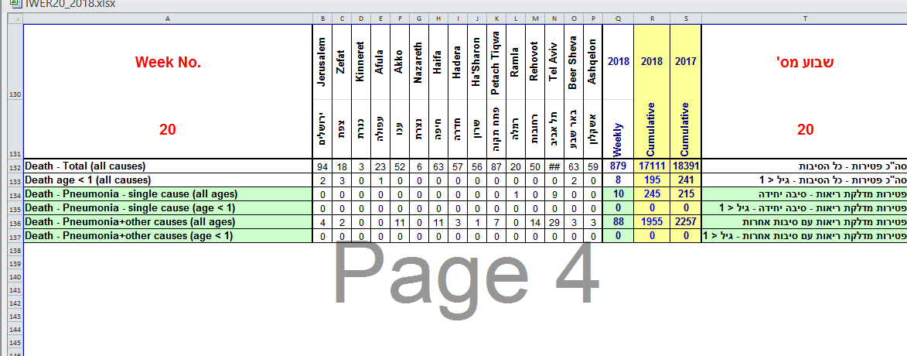
https://www.health.gov.il/UnitsOffice/HD/PH/epidemiology/Pages/epidemiology_report.aspx
Year to Week 19 9/May/20 | All | Pneumonia | Delta1 | Delta2
2015 | 17,486 | 2,061 | 261 | 291
2016 | 17,140 | 1,811 | -85 | 41
2017 | 17,565 | 2,173 | 340 | 403
2018 | 16,232 | 1,867 | -993 | 97
2019 | 17,357 | 2,031 | 132 | 261 | -2.5267293639
2020 | 17,225 | 1,770 | 0 | 0 | -1.1421485503

AVERAGE | 17,168 | 1,952 | -58 | 182
STDEV | 485 | 159

 |  |  |  |  |  | Year to Week 20 16/May/20 | All | Pneumonia | Delta1 | Delta2
 |  |  |  |  |  | 2015 | 18,411 | 2,131 | 218 | 256
 |  |  |  |  |  | 2016 | 18,071 | 1,894 | -122 | 19
 |  |  |  |  |  | 2017 | 18,391 | 2,257 | 198 | 382
 |  |  |  |  |  | 2018 | 17,111 | 1,955 | -1,082 | 80
 |  |  |  |  |  | 2019 | 18,226 | 2,113 | 33 | 238
 |  |  |  |  |  | 2020 | 18,193 | 1,875 | 0 | 0

 |  |  |  |  |  | AVERAGE | 18,067 | 2,038 | -126 | 163
 |  |  |  |  |  | STDEV | 485 | 153

